Sheet1
SOAL LATIHAN SEBELUM UTC
Soal 1:
( A + B ^ C ) * D - E / ( F + G )
a. Infix to Postifx
Infix | Karakter dibaca | Stack | Postfix
( A + B ^ C ) * D - E / ( F + G ) | ( | (
 | A | ( | A
 | + | ( + | A
 | B | ( + | A B
 | ^ | ( + ^ | A B
 | C | ( + ^ | A B C
 | ) |  | A B C ^ +
 | * | * | A B C ^ +
 | D | * | A B C ^ + D
 | - | - | A B C ^ + D *
 | E | - | A B C ^ + D * E
 | / | - / | A B C ^ + D * E
 | ( | - / ( | A B C ^ + D * E
 | F | - / ( | A B C ^ + D * E F
 | + | - / ( + | A B C ^ + D * E F
 | G | - / ( + | A B C ^ + D * E F G
 | ) | - / | A B C ^ + D * E F G +
 |  |  | A B C ^ + D * E F G + / -
b. Expression Tree
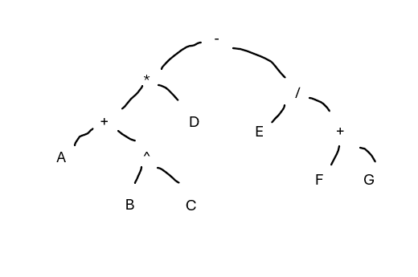

SOAL 2
15 3 / 4 2 * + 6 - 2 ^
a. Evaluasi Postfix
Postfix | Stack | Operation
15 3 / 4 2 * + 6 - 2 ^ | 15 | push(15)
 | 15 3 | push(3)
 | 5 | pop(3), pop(15), push(15 / 3)
 | 5 4 | push(4)
 | 5 4 2 | push(2)
 | 5 8 | pop(2), pop(4), push(4*2)
 | 13 | pop(8), pop(5), push(5+8)
 | 13 6 | push(6)
 | 7 | pop(6), pop(13), push(13-6)
 | 7 2 | push(2)
 | 49 | pop(2), pop(7), push(7^2)

b. Tuliskan Postfix jadi Ekspresi Infix
Postfix | Stack
15 3 / 4 2 * + 6 - 2 ^ | 15
 | 15 3
 | (15 / 3)
 | (15 / 3) 4
 | (15 / 3) 4 2
 | (15 / 3) (4 * 2)
 | ((15 / 3) + (4 * 2))
 | ((15 / 3) + (4 * 2)) 6
 | (((15 / 3) + (4 * 2)) - 6)
 | (((15 / 3) + (4 * 2)) - 6) 2
 | ((((15 / 3) + (4 * 2)) - 6) ^ 2)

SOAL 3
- * + 3 4 5 / 10 2
a. Ubah Prefix jadi Infix
Prefix | Stack
- * + 3 4 5 / 10 2 | 2
 | 10 2 |  |  | Operand | Push
 | 10 / 2 |  |  | Operator | pop(A), pop(B), push(B operator A)
 | 5 10 / 2
 | 4 5 10 / 2
 | 3 4 5 10 / 2
 | 3 4 5 (10 / 2)
 | (3 + 4) 5 (10 / 2)
 | (3 + 4)*5 (10 / 2)
 | ((3 + 4)*5) - (10 / 2)
Prefix jadi Postfix
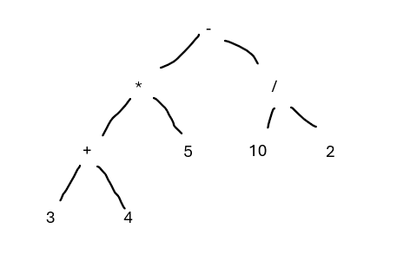
Prefix | Stack | Postfix
- * + 3 4 5 / 10 2 |  | 2
 |  | 2 10
 |  | 10 2 / |  | Operand | Push aja
 |  | 10 2 / 5 |  | Opeator | Pop(A), Pop(B), Push(B A Operator)
 |  | 10 2 / 5 4
 |  | 10 2 / 5 4 3
 |  | 10 2 / 5 3 4 +
 |  | 10 2 / 3 4 + 5 *
 |  | 3 4 + 5 * 10 2 / -
b. Expression Tree

